Sheet1
TESTING

Test Number | Test Type/Description | Page being tested | Type of requirement | Expected Outcome | Actual Outcome | Further Action needed | Pass/Fail
1 | Checking to see if Login/ Register buttons redirects to the correct page | Login / Register | Functional | Register button - Redirect to register page Login button - Redirect to Login page | Login Button - Redirects to Login page Register Button - Redirects to Register page | N/a | Pass | Academic Passed Test | 19
2 | TextBox Validation - Checks a valid email is entered and all text boxes have data in them | Register Form | Non-Functional | Error message should turn up if an invalid email format entered or a text box is empty | Email Validation - Asks for email address if an invalid format is used TextBox Validation - Asks for an input if no data is entered | N/a | Pass | Academic Failed Test | 5
3 | Data Verification - Error message received when wrong details inputted | Login Form |  | Error message comes up if credentials are incorrect informing the user details are incorrect | 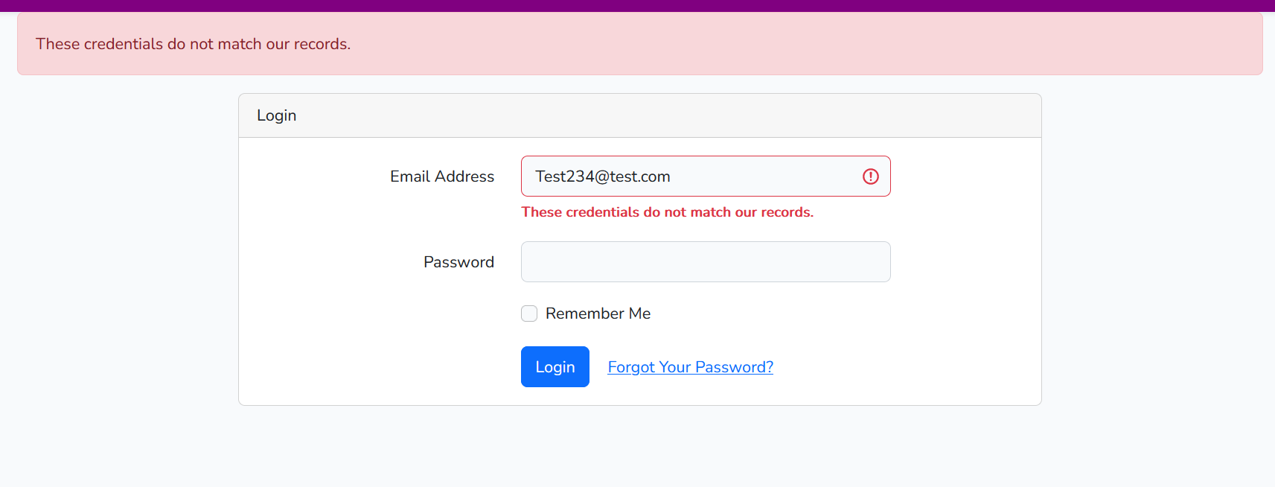 Error message comes up when wrong details are entered in the form | N/a | Pass
4 | Redirect - Login redirects you to home page once signed in | Login/Home page | Non-Functional | Page should redirect you to home page once signed in | Page redirects to dashboard page instead of Home page | Code had old redirect implemented which was redirecting to the dashboard home page - Altered the code to redirect to the Main Home page | Fail
5 | Navbar buttons all present for Academic | Navbar | Non-Functional | Page should have three buttons (Home, Software available and Software request | Page has three options in the Navbar | N/a | Pass
6 | A new user can be registered | Register Form | Functional | User should be able to register and it will return a message that account needs to be verified | 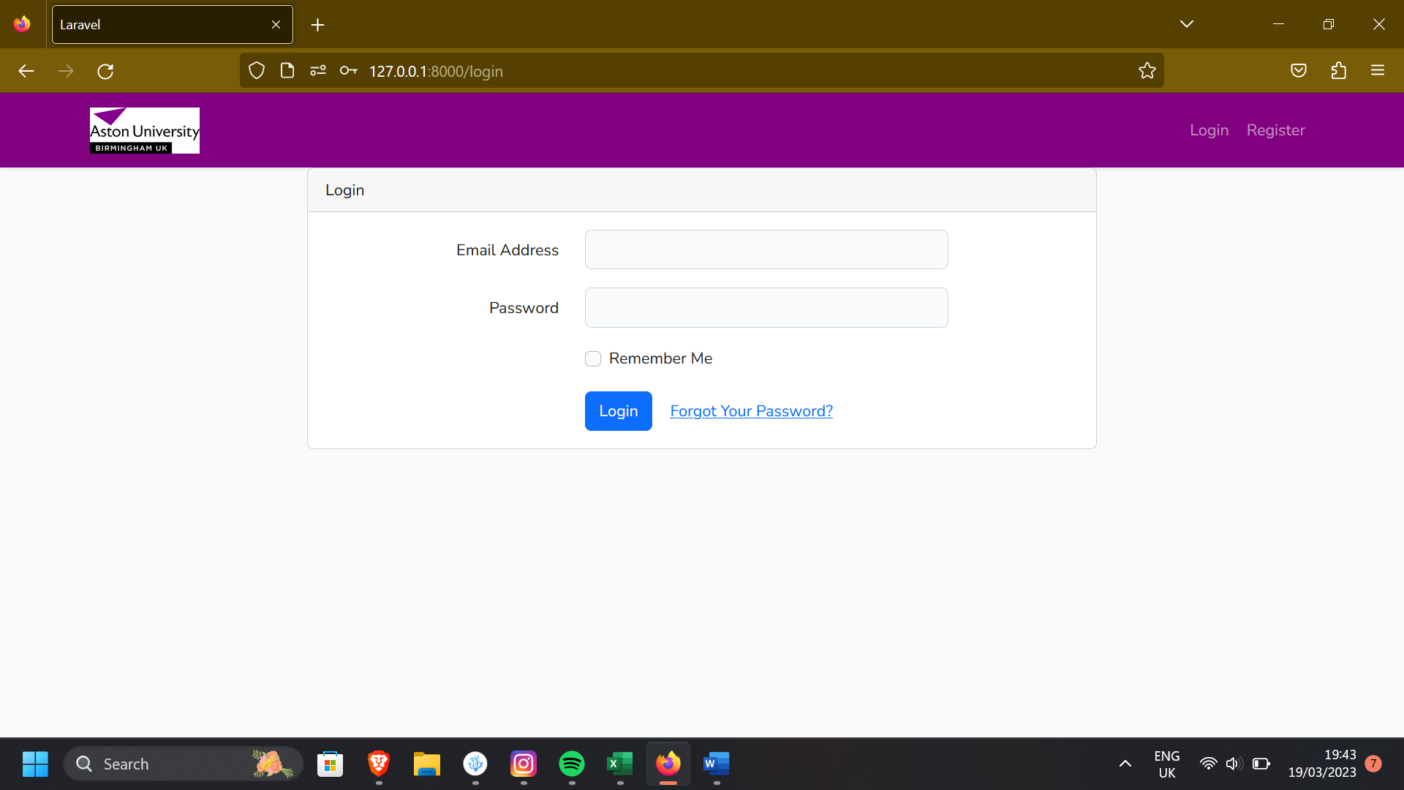 Page returns back to login but no message appears | To fix this I had to put a session message which was missing and this fixed the issue as shown before | Fail
7 | Message appears when account is shut | Login form | Non-Functional | Session message comes up showng the account is closed with an error message showing why | Message pops up if user tries logging into a closed account and it sucessfully shows the reason why | N/A | Pass
8 | Navbar redirects to correct pages for academics - Home software available/software request | Home Page/Navbar | Functional | All the correct pages should load when retropective buttons on navbar is pressed Home - Home page | software available - software available software request - software request page | All pages load up the correct pages when pressed and there are no issues when loading the pages | N/a | Pass
9 | Software list should be present to view in the software available section | Software available page | Non-Functional | Software available will be available in different cards showing the differernt softwares that are available | Software is shown as a card and will be displayed to the user | N/a | Pass
10 | Software list should have blacklisted software | Software available page | Non-Functional | Blacklisted software will be able to view in the software available page and will be shown in a black card and formatted correctly | Blacklisted software shows up but formattting is incorrect | To fix this there was a missing div tag which I had to input in the if statement which worked | Fail
11 | Academic able to see the software request form and are able to submit a request | software request page | Functional | Software request page would open a form, the academic can submit to the system | 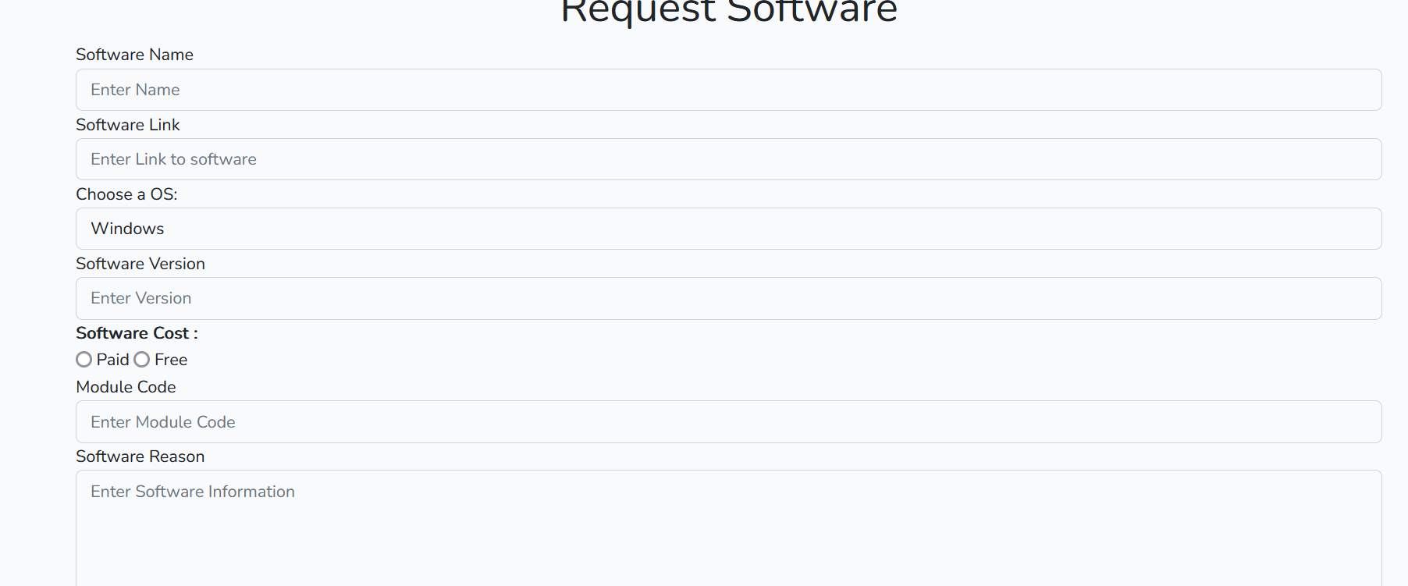 Software request form loads up and shows up and user is able to submit a request within the system. Message pops up showing request was made | N/a | Pass
12 | Academic able to open my request page from the top right corner dropdown tab | my request page | Functional | my-request page should redirect the user to the correct page once it has been clicked from the dropdown box | An error was returned that the page cannot be found | The error was with the navbar code as I realised I had to create a route which would let me link the webpage | Fail
13 | Academic able to see all requests in submitted, In progress, Accepted and rejected | my request page | Functional | my request page has different tabs that are used and requests would show up based on the tabs they are in which would be the expected outcome |  All the requests could be viewed and they were catogerized according to the tab that was selected as shown by the screenshot below | N/a | Pass
14 | Academic is shown a message if there is no request in that state - Example - No requests in progress | my request page | Functional | The expected outcome is there would be a message would be shown to the academic saying there is no requests in this state | The actual outcome was that a message was shown which informed the academic that there are no requests as shown in the screenshot | N/a | Pass
15 | Academics have the ability to edit their requests that they have created | my request page | Functional | The expected outcome is it would open a page where the Academic can edit their form and submit any changes which would be shown on the request once refreshed. | The actual outcome is that the edit button was linked to the correct form and the edits were saved sucessfully by pressing the submit button. This is shown on the screenshot as I edit the version from 21 to 212 | N/a | Pass
16 | Academics will have the ability to delete any requests they create | my request page | Functional | The expected outcome is the user would be able to press delete, which would delete the request once pressed | The actual outcome is that the request was deleted once the button was selected and this informed the user by showing a session message at the top of the screen | N/a | Pass
17 | Academics can press the read more to see all the information that they have put in the request | my request page | Non-Functional | The expected outcome is a modal should pop up when the academic presses read more and the modal will contain all the request information in a table | 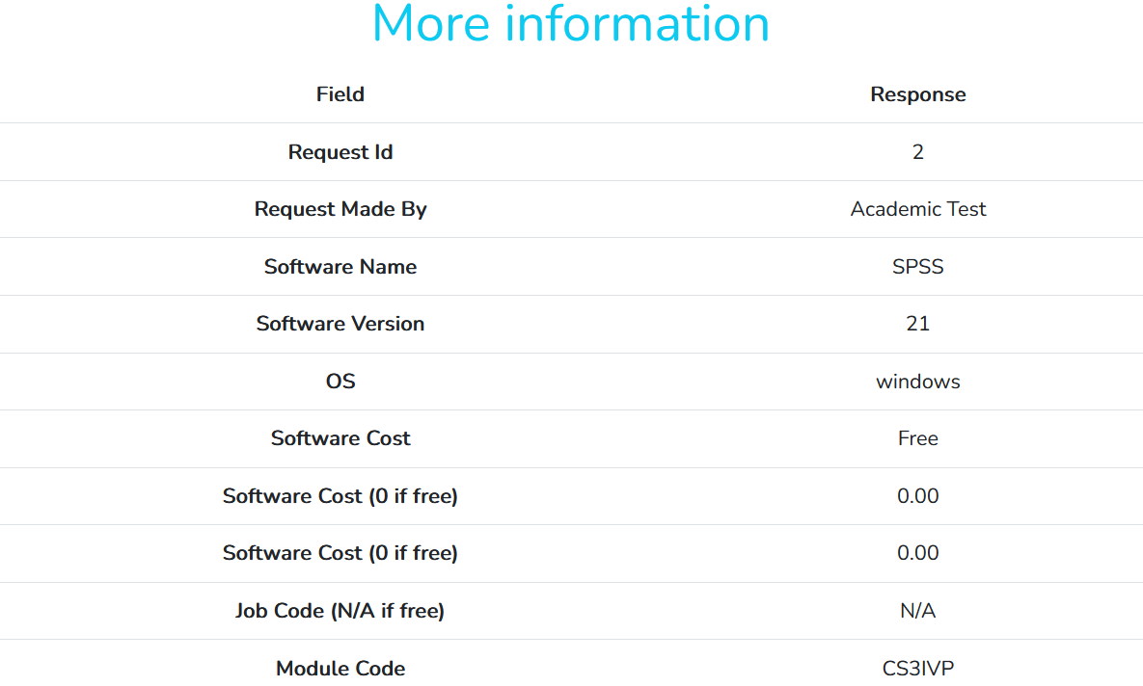 The actual outcome was that the modal popped up when the read more button was pressed and the information was displayed in a table | N/a | Pass
18 | Academics can open the user profile page through the dropdown area in the top right corner | user-profile page | Functional | The expected outcome is that the user profile navbar button should open the user profile page | The actual outcome is that the correct page opened when the my profile page was pressed | N/a | Pass
19 | Academics are able to view all the different roles they have and their email | user-profile page | Functional | The expected outcome is the academic will be presented with a form looking page which will list all their different details and there will be some details they will not be able to edit | 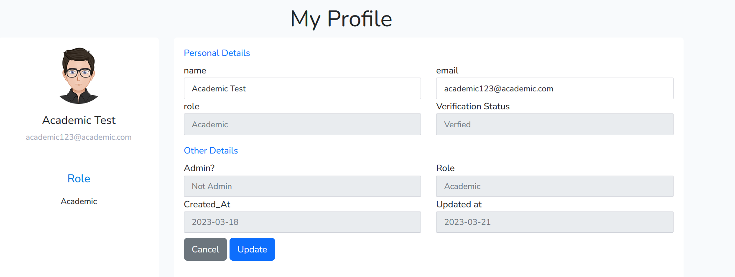 The actual outcome is all the details were presented in a form style layout with some of the textboxes being disabled due to those records can only be changed by the admins | N/a | Pass
20 | Academics will have the ability to update any changes they have made to their user profile | user-profile page | Functional | The expected outcome is that the academic will be able to change their username and email and a session message should flash up saying record updated | 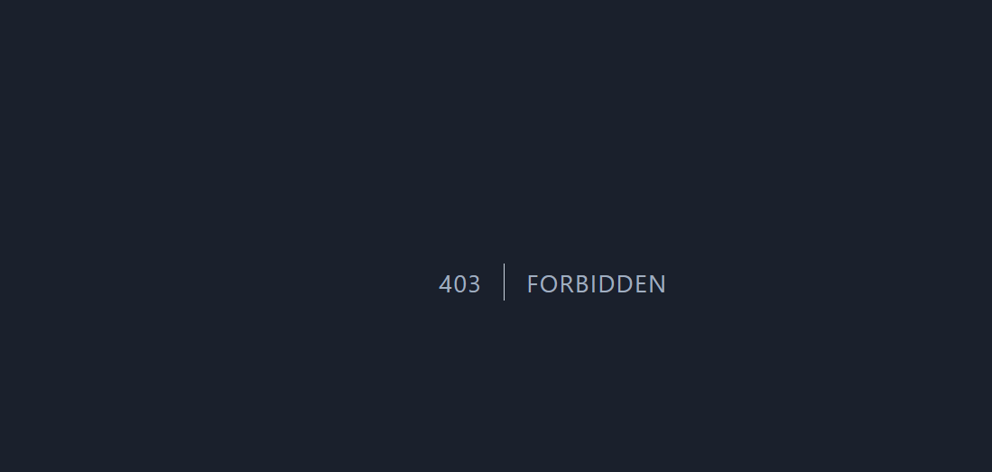 The actual outcome was when pressing the update button, this led to a 403 forbidden error coming up which shows there is an issue within the route | To fix this issue, I realised the route was set to get instead of put, which meant that it was trying to get the route which was forbidden and only accessible to the admin - I fixed this by changing route::get to route::put which fixed the issue | Fail
21 | Academics can press the contact us button in the drop down box which redirects the user to the DS contact page | Navbar | Non-Functional | The expected outcome is that the Academic should be redirected to the DS contact page when pressing the contact us button within the navbar area | The actual outcome is that the page sucessfully redirects to the DS contact page and this would open a new window instead of the current page | N/a | Pass
22 | Application logs out user when the logout button is pressed | Navbar | Functional | The expected outcome is that the user should be logged out when the logout button is pressed | The actual outcome is when the logout button is pressed and the academic, will be presented to the home page | N/a | Pass
23 | Login button on the home page directs the user to the login page | Home Page/Navbar | Non-Functional | The expected outcome is that when the user presses the login button , the page will redirect the user to the login page | The actual outcome is that the login button is pressed on the home page and it redirects the user to the login page | N/a | Pass
24 | Register button on home page redirects the user to the register page | Home Page/Navbar | Non-Functional | The expected outcome is when the user presses the register button, they will be redirected to the register page | The actual outcome is that the register button redirects the user to the register page | N/a | Pass

DS staff Testing

25 | DS staff can sucessfully login into their account using their credentials | Login | Functional | The expected outcome is when the DS staff enters their credential the database will recgonise their details and Authenticate the user | The actual outcome is that the DS staff credentials are Authenticated and the DS staff is sucessfully logged in into the system | N/a | Pass | DS staff Passed test | 13
26 | DS staff should be able to access the admin console | Admin Console | Functional | The expected outcome will be that the DS staff will be able to open the admin console by pressing it in the dropdown box in the top right and it will redirect to the right page | The actual outcome is that when the dropdown button is pressed, there is no button for the admin console | To fix this issue, I found out there was an issue within the Database that caused this issue to occur. To fix this, I had to change is_admin from 0 to 1 which was not changed and caused issues | Fail | DS Staff Failed Test | 3
27 | All cards are present to the DS staff when they open the admin console | Admin Console | Non-Functional | The expected outcome will be that the admin console should contain 7 cards (requests, submitted, rejected, In progress, Accepted, Users, Add software) | 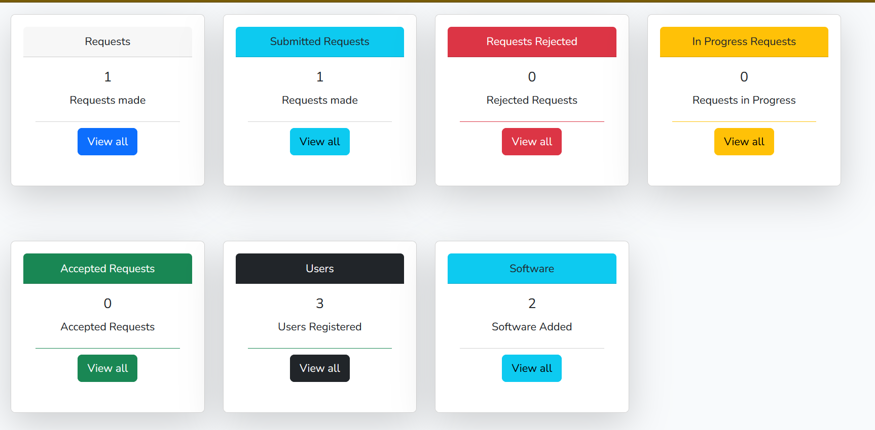 The actual outcome was that all 7 cards were present within the admin panel and can be seen by the DS staff |  | Pass
28 | DS staff can check all the requests that have been made by academics | Admin Console | Functional | The expected outome is the DS staff will click view all in the Requests section and they will be redirected to a page which shows all requests |  The actual outcome is that the DS staff was redirected to the correct page and the request was displayed to the staff member | N/a | Pass
29 | DS staff will have the ability to read all the information of a request | All Requests page | Functional | The expected outcome is when the DS staff clicks read more, a modal will pop up which will show all the information of the request | The actual outcome is that when read more is pressed, no modal opens which shows there is an error within the code | 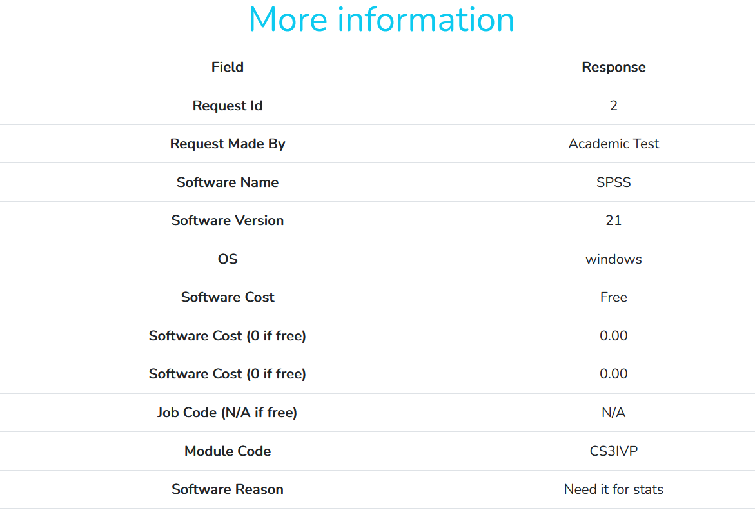 The solution to this was I found out that the id was written incorrectly for the modal and had to change the modal name to the same one as the button - assignmodal is the correct id name and this fixed the issue | Fail
30 | DS staff should have the ability to go back a page from a button in the requests page | All Request page | Non-Functional | The expected outcome will be when the DS staff presses the Go back button - it will redirect them back to the admin console page | The actual outcome is that the DS staff was redirected back to the admin console page with no issues | N/a | Pass
31 | DS staff can view requests that have been submitted | Submitted Request page | Functional | The expected outcome is by pressing view all in the Submitted request card, a page should open showing all the submitted requests |  The actual outcome is that the correct page opens and the DS staff can check, all requests that have been submitted | N/a | Pass
32 | DS staff can press the In progress button and it will put the request in progress | Submitted Request page / In progress request page | Functional | The expected outcome is that when the In progress button is pressed the request is shifted to the In Progress Queue | The actual outcome is that the the button shifts the request to the In Progress queue and there are no issues that occur | N/a | Pass
33 | DS staff can Accept requests with no issues | Submitted Request page/ Accepted Request | Functional | The expected outcome is when the Accepted button is pressed, the request status is changed to Accepted and is then put in the Accepted queue | The actual outcome is when the accept button is pressed, the status is changed to Accepted and the request is shifted to the Accepted queue. The DS staff is then redirected back to the admin console. | N/a | Pass
34 | DS staff can reject requests from Academics | Submitted Request page/ Rejected Request Page | Functional | The expected outcome is when the Rejected is pressed, the request status changes to Rejected and the DS staff puts in the reason why and then it is then put in the rejected queue | The actual outcome is that when the reject button is pressed, the status changes to Rejected and the DS staff is met with a modal in which they enter the reason to rejected. Once this is completed, then the request is put in the rejected queue | N/a | Pass
35 | DS staff can press the read more modal and it will show all the information of the request | Submitted Request page/ All request page / In Progress request page / Accepted request page/ Rejected Request page | Non-Functional | The expected outcome is when the read more is pressed, it should open a modal with all the information of the request. This read more button should be found on every request that has been made and should be available in every page | The actual outcome is the read more button was present in every page, and when the read more button was pressed, this opened a modal within the page which contained information about the request. | N/a | Pass
36 | DS staff will have the ability to add software to the directory with no issues | Add software page | Functional | The expected outcome is the DS staff will be presented with a table. To add a software, they press the add software button and then they fill out the software detail form and the software will be seen in the software available tab | The actual outcome was that, the page redirected to the form when the add new software button was pressed but when I submitted the form, an error message came up which broke the website since there was an error with the method | 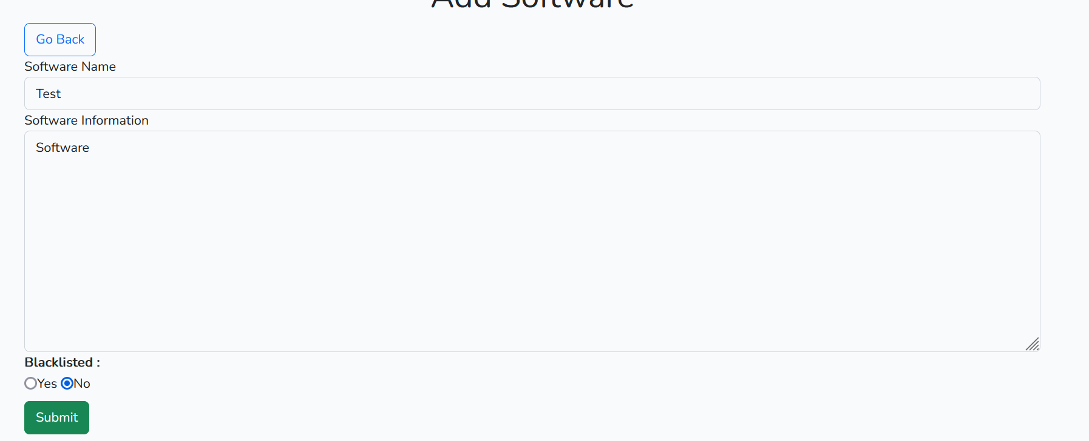 The solution was the route had an incorrect method. I was calling a GET method, instead of a PUT method which caused an issue when the application was fetching the method. To fix this I changed the route from Route::get to Route::put which fixed the issue and the software was shown in the software available | Fail
37 | DS staff will have the ability to delete software from the directory | Software Directory page | Functional | The expected outcome is the DS staff will be presented with a table and in the table there be a button to delete. When the delete button is pressed, a modal will pop up to confirm and when confirm is pressed, the software will be deleted from the directory. | The actual outcome is that the button was present in the table and when delete is pressed, the delete modal pops up and when the delete button is pressed, this deletes the software from the directory | N/a | Pass
38 | DS staff can edit existing software that have been added to the directory | Software Directory page | Functional | The expected outcome is the edit button will be available in the table and when it is pressed, it will open a modal form with all the software details. The staff member edits the part they want and once submit is pressed, then the software information will be updated | 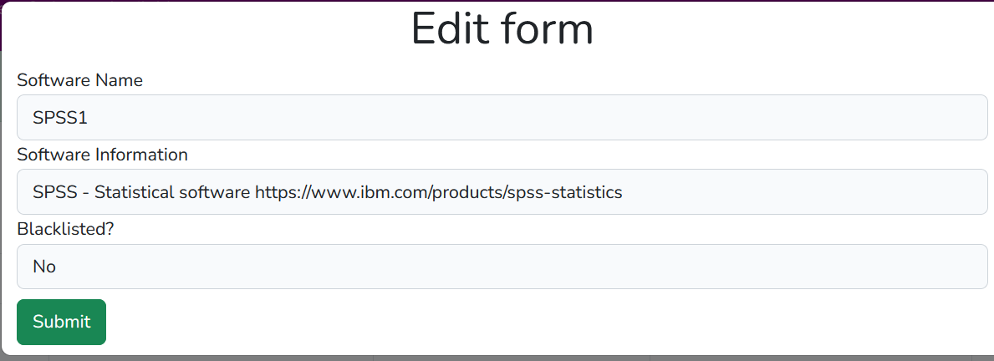 The actual outcome is when the edit button is pressed, a modal form opens, which shows the details of the software. The title was edited from SPSS to SPSS1 and when submit was pressed, this was shown in the software directory as the software. | N/a | Pass
39 | DS staff can blacklist software and blacklisted software is shown as black in the software available section | Software Directory page/ Software Available | Non-Functional | The expected outcome is DS staff will have the option to blacklist the software when creating/editing software and once they do this, this will be shown as black in the software available section | The actual outcome is in this case edit was used. In the edit function, there is an option to blacklist/unblacklist software and when SPSS was moved to blacklist, this was done sucessfully and shown as black in the software directory. | N/a | Pass
40 | DS staff is able to logout the system with no issue | Logout | Functional | The expected outcome is when the DS staff clicks the log out button it logs them out of the system and they have to sign in again | The actual outcome is when the DS staff presses log-out, the system logs them out with no issues | N/a | Pass

System Admin Test

41 | System admin is able to login with credentials that have been provided | Login | Functional | The expected outcome is when the System admin enters their credentials, they will be able to login into the system with no issues | The actual outcome is that the system admin was able to enter the system with no issues and there were no problems that occurred when they tried to enter the system | N/a | Pass | System Admin Passed Tests | 8
42 | System admin will have permission to enter the admin console route | Admin_Page | Functional | The expected outcome is the system admin should be able to enter the admin console by going onto the drop down button that can be found in the top right and clicking admin console which will open the console up and display two cards. | 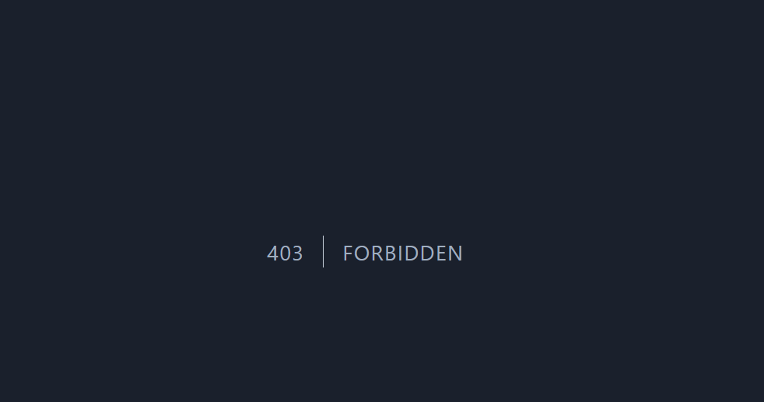 The actual outcome was that when the system admin tries to enter the admin console, they are met with a 403 forbidden error which shows the system admin is barred from entering the admin console | 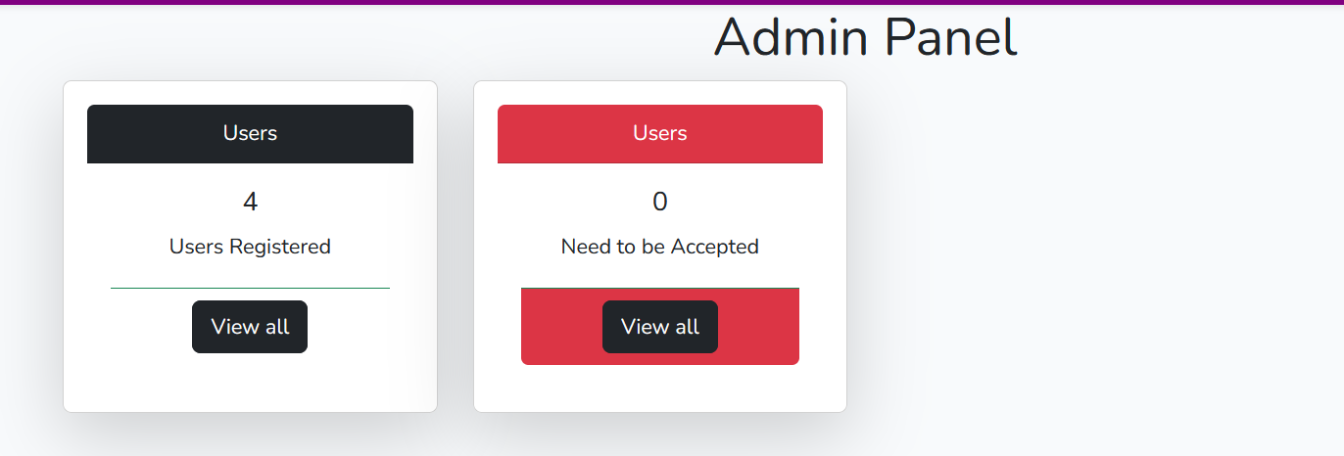 To fix this issue, there was an issue with the routes since permissions were set to stop Academics from entering the admin page. But system admin and admin had different roles which conflicted with each other. To fix this I put the system admin middleware route under the admin route which fixed the issue and stopped the permissions from conflicting. | Fail | System Admin Failed Tests | 2
43 | System Admin will be able to see users that have been registered within the system in a table | Admin_Page | Functional | The expected outcome is when the system admin presses the view all button, this will redirect the admin to the user page with no errors and they will be able to see all the users that have been registered | The actual outcome was when the system admin tried to access the page, they were greeted with a controller error which meant that they were not able to access the page. | To fix this, there was an issue with the route not being defined, so I redefined the route within the correct middleware which fixed the issue and the system admin was able to see all the users that were within the table with no issues | Fail
44 | System Admins will be able to edit Academic details from their side of the system | Admin_Page | Non-Functional | The expected outcome is when the edit button is pressed, this will open up the edit modal in which the system admin, can edit the user details and change their roles etc. | The actual outcome was when the edit button was pressed, a modal popped up which enabled the system admin to change roles etc. These edits were saved once the submit button was clicked with no issues. | N/a | Pass
45 | System admin will have permission to delete users from the system | Admin_Page | Non-Functional | The expected outcome is when the delete button is pressed, this will open up a modal, which shows a confirmation message if the admin wants to delete the user. Cancel will close the modal and delete will delete the user from the database | 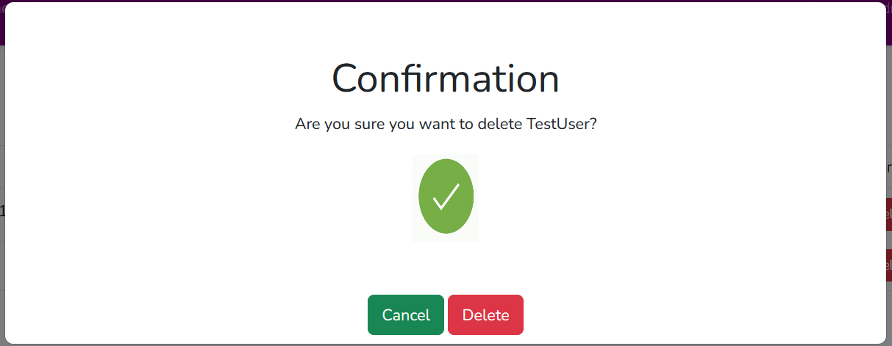 The actual outcome was that the modal comes up when the delete button was pressed. The cancel button closes the modal whereas the delete button deleted the user from the DB with no issues | N/a | Pass
46 | System admin will have a list of users that will need to be verified and this will be present within a table | Admin_Page | Functional | The expected outcome is when the system admin presses to view all non verified users, a list of users ready to verify should come up with two buttons which are to deny or accept the user. | The actual oucome is the system admin is able to access the page with no issues and from there they will be met with a table which will display the users that will need to be verified with buttons to accept/deny | N/a | Pass
47 | System admins will have the ability to Accept users to the system with no issues | Verify Page | Functional | The expected outcome is when Accept is pressed, the user will be verified and will be moved to the normal user queue and will be removed from the need to be verified table. | The actual outcome is when the system admin pressed accept, the verify test user was moved to the normal User queue and this meant that they were not available in the need to be verify table which means they have been verified sucessfully | N/a | Pass
48 | System admins will be able to reject users with a reason why | Verify Page | Functional | The expected outcome is when reject is pressed, this will bring up a modal which will allow them to enter a reason why the user will be rejected and from there whenever the user tries to sign in they will be blocked and a message will come up showing they have been rejected. | 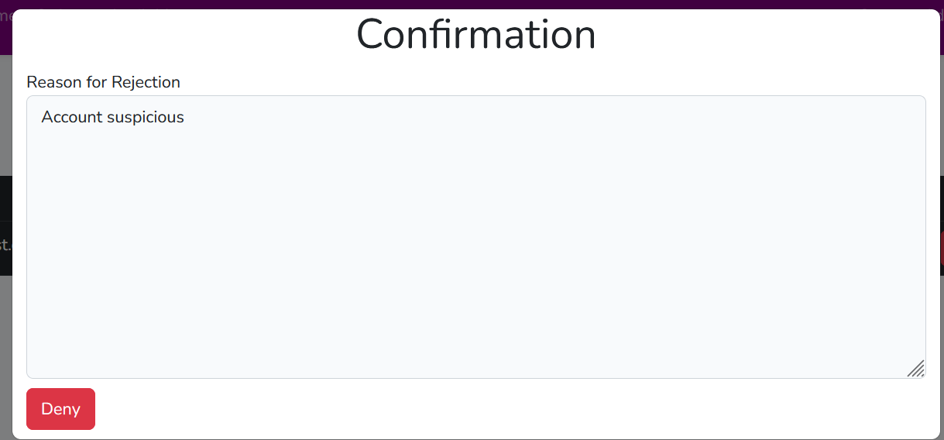 The actual outcome is that when the system admin presses reject, a modal pops up in which they are allowed to enter a reason why they are rejecting the user and when reject is pressed, the user will be rejected from the system and unable to get back in. | N/a | Pass
49 | System admins will be able to navigate freely through the console by pressing the go back buttons | Verify/User Page | Non-Functional | The expected outcome is go back buttons will be present in the user page and verify page and when the user presses go back it will navigate them back to the console | The actual outcome is the buttons were present and when the system admin pressed go back, they were navigated back to the admin console. | N/a | Pass
50 | System admin can logout of the system with no issues | Logout | Functional | The expected outcome is when they can logout of the system by pressing the logout button in the top right dropdown box | The actual outcome is they were able to logout with no issues and sucessfully were unauthenticated from the server. | N/a | Pass

Sheet3
Pass/Fail Ratio for Academics
Academic Passed Test | 19
Academic Failed Test | 5

Academic Passed - | 19
Academic Failed | 5
Total Sample | 24

Pass/Fail Tests for DS staff

DS staff Passed test | 13
DS Staff Failed Test | 3
Total Sample | 16

Pass/Fail Ratio For System Admin

System Admin Passed Test | 8
System Admin Failed Test | 2
Total | 10

